Sheet1
 | Project Name | SmartCity
 | Testing for | Compare Locations (User Story 11)
 | Reference Document | https://docs.google.com/presentation/d/1Wj1gfeDXKx2f4O7jzaHUTRA477gmRZlwqt2R0SlHB9I/edit?usp=sharing
 | Created by | Jia Sheng Chong
 | Date of Creation | 29th October 2017
 | Date of Review | 29th October 2017

Test case ID | Test Objective | Precondition | Steps | Test data | Expected result/Acceptance criteria | Post condition | Test status
TC_S11_01 | Users can view a comparison page through a URL | 1. The test machine should be configured to run the SmartCity project. 2. Modern web browsers should be enabled on the test machine. | 1. Run the SmartCity project on the local instance of the Django server 2. Start any web browser of your choice (expcept Internet Explorer) 3. Enter the URL http://localhost:8000/cities/compare-location. NOTE: the port number for the website URL may vary depending on the server configuration. Please check the server logs to confirm the port number. | A valid URL: http://localhost:8000/compare-location | User should be navigated to the location comparer page. The location comparer page should contain the following: 1. Navigation bar 2. Type chooser 3. 2 location choosers Image of the expected results can be found on the right of this cell. |  | Passed | 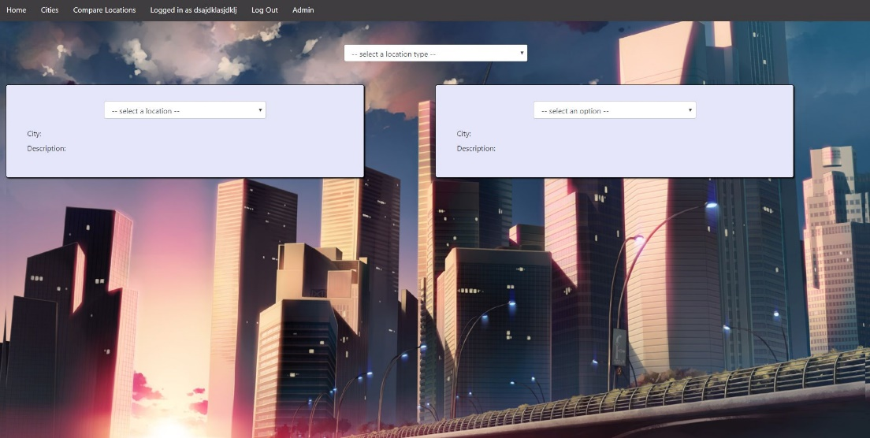
TC_S11_02 | Users can select a location type which changes the available locations | The site is launched on a compatible browser. | 1. View the options under the location type selector 2. Select one of the options in the location type selector 3. View the options under the locations selector | The test data can be found here: https://github.com/jiashengc/IFB299/blob/master/smartcity/fixtures/locationData.json | User should be able to view one or multiple locations options under the locations selector and these locations are under the type that was choosen. |  | Passed
TC_S11_03 | Users can select a location which then shows the information of that location | The site is launched on a compatible browser. | 1. View the options under the locations selector 2. Select one of the options in the locations selector 3. View the details of the locations details | The test data can be found here: https://github.com/jiashengc/IFB299/blob/master/smartcity/fixtures/locationData.json | Users should be able to view the details of the location they have choosen and these details are sepcific for the location they have choosen. |  | Passed
TC_S11_04 | Users can select a different type and everything will be reset | The site is launched on a compatible browser. | 1. View the options under the location type selector 2. Select one of the options in the location type selector 3. View the options under the locations selector | The test data can be found here: https://github.com/jiashengc/IFB299/blob/master/smartcity/fixtures/locationData.json | Users should be able to select a new location type and everything will be updated according to the location type that was selected. |  | Passed | 